Ajustada
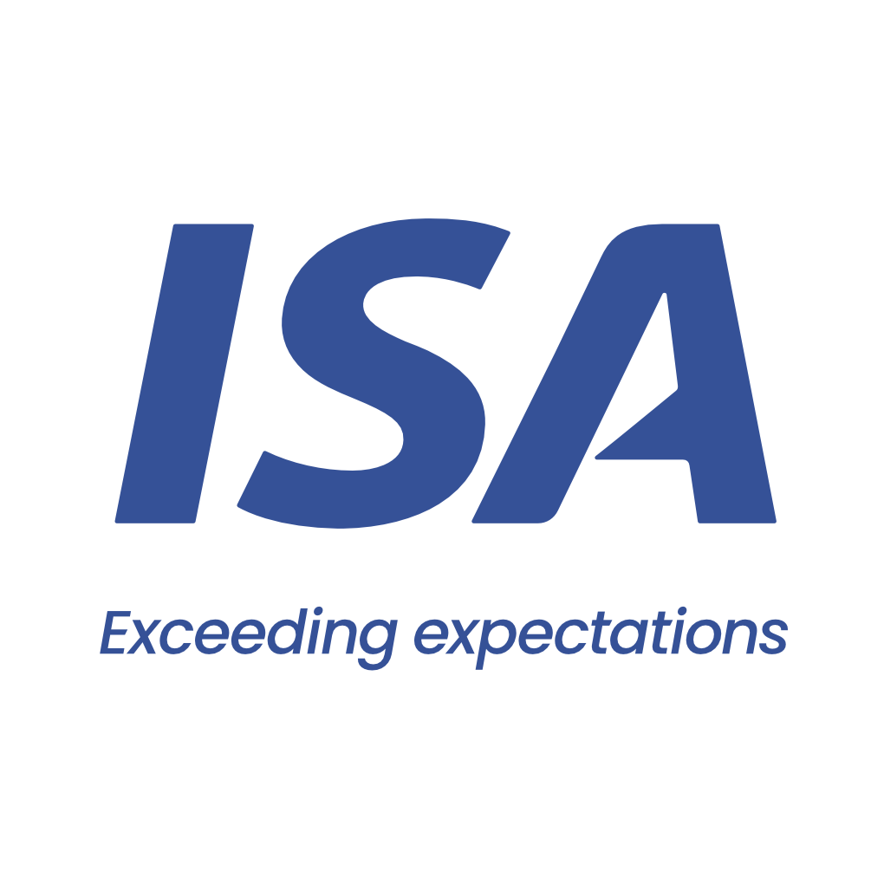

 |  | From 10-03-26 to 11-03-26
 | Initial | Close to Real
VESSEL | AMALIA | AMALIA
PORT | GRAL LAGOS | GRAL LAGOS
BERTH | ARROYO SECO - ADM | ARROYO SECO - ADM
PERMANENCY | 2 days | 2 days
CURRENCY | USD | USD
ITEM | AMOUNT | AMOUNT
Port dues | 8,911 | 8,911 | Comentarios:
Entrance and light dues | 853 | 844 | Plate sale con Virado de anclas
Toll dues | 66,858 | 62,877 | Paraná entra con Fondeo
River plate pilotage | 40,855 | 41,257 | Paraná sale con Fondeo por búnkers
River plate pilotage anchorage maneuver | 2,744 | 1,372 | Port entra con Virado de anclas y 1h de demora
River parana pilotage | 39,489 | 39,554 | Remolcadores CPT Directo
River parana pilotage anchorage maneuver |  | 2,744 | Confirmar FEE - En Acuerdos Comerciales figura usd 3000
Port pilotage | 8,853 | 10,225
Port pilotage delay |  | 150
Launch services for clearence at roads | 3,000 | 3,000
Mooring & unmooring services | 4,500 | 4,500
Custom house expenses | 200 | 330
Migration expenses | 1,875 | 3,225
Migration expenses - outward | 1,250
Sanitary dues and free practique | 677 | 406
Garbage compulsory inspection | 103 | 92
Mandatory holds inspection at roads | 1,500 | 2,500
Headclerk compulsory services | 3,400 | 1,812
Launch services at Zona Comun |  | 1,290
BQS expenses |  | 350
Miscellaneous (lumpsum) | 400 | 400
Tax on credit/debit law 25.413 | 2,442 | 2,230
Agency fee | 2,500 | 3,000

TOTAL | 190,410 | 191,068

Our bank account
CITIBANK NA, NY BRANCH 111 WALL STREET / NEW YORK, 10043
ABA: 21000089 / SWIFT: CITIUS33 / ACCOUNT NO:36404074
BENEFICIARY: Independent Ship Agents SA
In order to avoid double income taxation on gross freight, which is equivalent to aproximate 3.5 pct, you must provide us with a tax affidavit. Please let us know if you need assitance on this.

Please note that this is a pro-forma disbursement account only. It is intended to be an estimate of the actual disbursement account and is for guidance purposes only. Whilst does take every care to ensure that the figures and information contained in the pro-forma disbursement account are as accurate as possible, the actual disbursement account may, and often does, for various reasons beyond our control, vary from the pro-forma disbursement account. You are required and liable to pay upon demand, the full amount described and shown in the actual disbursement account. This duty exists regardless of any difference betweeen the figures in this pro-forma disbursement account and the actual disbursement account. For the avoidance of doubt, this pro-forma disbursement account is not a contractual document.

